Intro

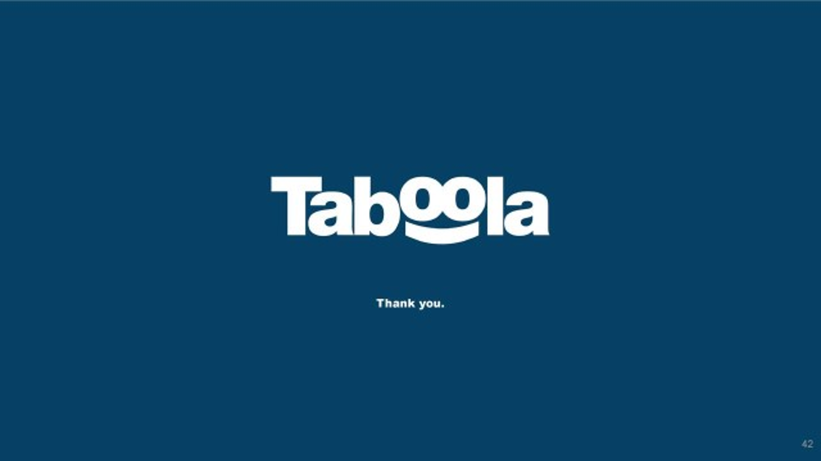
Taboola Planning - Group B3

Preliminary Activities
Analysis
Test Release
Pre – GO LIVE!
GO LIVE!

Kick-off
Analysis
Testing
Beta - Testing

IT insfrastructures

Development
Set platforms and accesses
Create Client Demo

C.Care Users Training

Taboola_MilestoneChart_v1.0
CHATBOT - MILESTONES CHART

Completion Date | Milestone N° | Milestone Name | Duration | Assignee | Dependencies | Status | Comments
2022-03-02 | M-01 | Project Start | 1 Day | Project manager |  | Complete | Kick-off meeting with Stakeholders
2022-03-10 | M-02 | IT infrastructure | 1 Week | IT Infrastructure team |  | Complete | The complietion relies on the successful delivery of the following: - Preparation of Testing Environment - Preparation ProductionEnvironment
2022-03-10 | M-03 | Platforms & Accesses | 1 Week | DBA Team Security System Team |  | In Progess | The complietion relies on the successful delivery of the following: - Creation of all the required DBs - Setting and customization of users accesses - Security system check
2022-03-23 | M-04 | Chatbot Design | 4 Weeks | Business Analyst Team |  | Not Started | The complietion relies on the successful delivery of the following: - Get Business informations through Customer Care Interviewing - Drawing of all the required functional documents (like Functional Analysis and flowcharts)
2022-05-02 | M-05 | Chatbot Back-end Developing | 2 Weeks | Back-End Developers Team | M-04 | Not Started | The complietion relies on the successful delivery of the following: - Software back-end Programming
2022-05-02 | M-06 | Chatbot Front-end Developing | 2 Weeks | Visual Designer UX/UI Designer Front-end Developer | M-04 M-05 | Not Started | The complietion relies on the successful delivery of the following: - Software front-end Programming - UX/UI design - Graphic design
2022-06-13 | M-07 | Test Phase | 4 Weeks | Business Analyst Team Development Team | M-05 M-06 | Not Started | The complietion relies on the successful delivery of the following: - IT tests checklist OK - UAT tests checklist OK
2022-06-03 | M-08 | Customer Care User Training | 2 Weeks | Software Engineer Team Customer Care | M-05 M-06 | Not Started | The complietion relies on the successful delivery of the following: - Customer Care get all the required training to solve tech issues via Chat & Call center
2022-06-04 | M-09 | Create Client Demo | 2 Weeks | Video maker Busines Analyst Back-End Developers Team Front-end Developer | M-05 M-06 | Not Started | The complietion relies on the successful delivery of the following: - Creation and uploading of Video Tutorials and Documents that could be helpful for the customers
2022-07-14 | M-10 | Beta Tests | 4 Weeks | Business Analyst Team Development Team Customer Quality Manager | M-09 | Not Started | The complietion relies on the successful delivery of the following: - Beta tests checklist OK
2022-07-24 | M-11 | GO LIVE! | 1 Day | Development Team | M-010 | Not Started | The machine gets turn ON

ClickUp Milestones
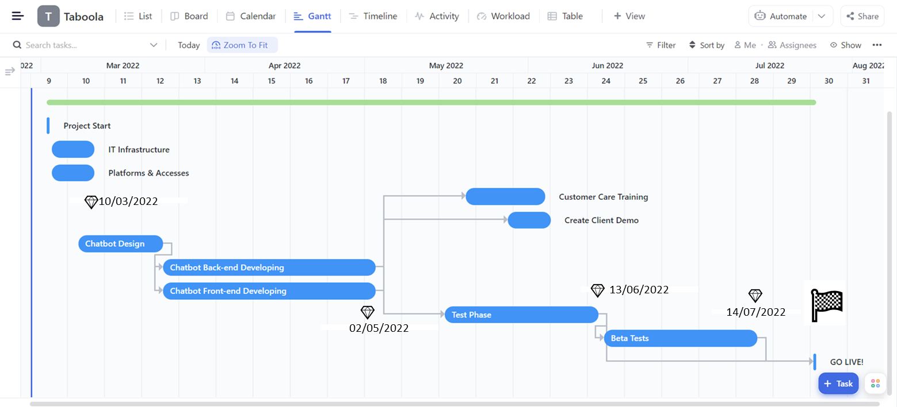
CHATBOT - GANTT CHART

Quality Beta-Testing


